TEA Org Chart
Texas Education Agency, Organization Chart, November 2022
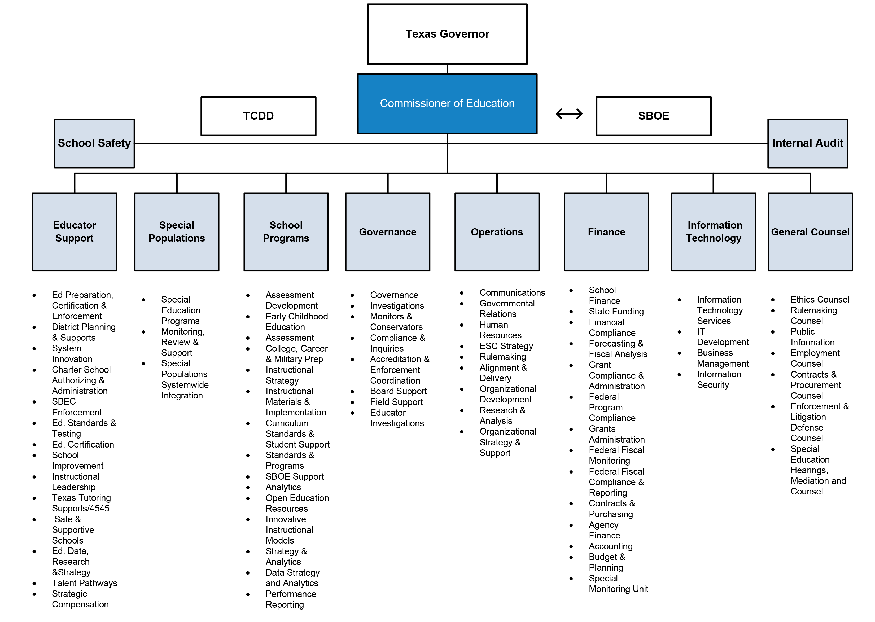

ESC Regions
Texas Regional Education Service Centers, Map, November 2022
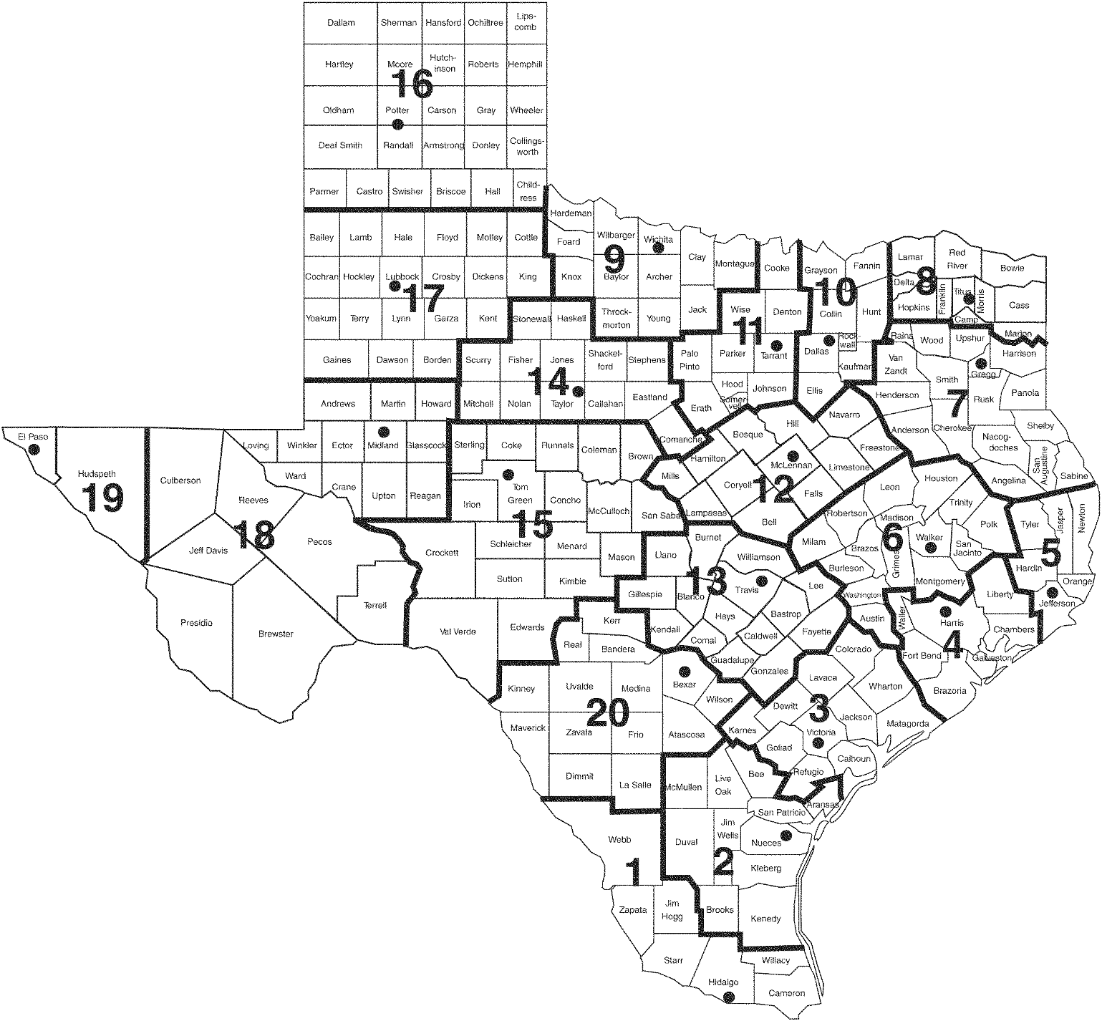

Texas Regional Education Service Centers, Executive Directors, November 2022
Region 1 – Edinburg | Region 8 – Mount Pleasant | Region 15 – San Angelo
Dr. Daniel P. King | Dr. David W. Fitts | Dr. Casey Callahan
1900 West Schunior | 4845 U.S. Highway 271 N. | P. O. Box 5199
Edinburg, TX 78541-2234 | Pittsburg, TX 75686-4303 | San Angelo, TX 76902-5199
(956) 984-6001 | (903) 572-8551 | Location: 612 S. Irene Street, 76903
Fax: (956) 984-7655 | Fax: (903) 575-2611 | (325) 658-6571
Region 1 Website | Region 8 Website | Fax: (325) 655-4823
 |  | Region 15 Website

Region 2 – Corpus Christi | Region 9 – Wichita Falls | Region 16 – Amarillo
Dr. Esperanza Zendejas | Mr. Wes Pierce | Dr. Tanya Larkin
209 North Water Street | 301 Loop 11 | 5800 Bell Street
Corpus Christi, TX 78401-2599 | Wichita Falls, TX 76306-3706 | Amarillo, TX 79109-6230
(361) 561-8400 | (940) 322-6928 | (806) 677-5000
Fax: (361) 883-3442 | Fax: (940) 767-3836 | Fax: (806) 677-5001
Region 2 Website | Region 9 Website | Region 16 Website

Region 3 – Victoria | Region 10 – Richardson | Region 17 – Lubbock
Mr. Morris Lyon | Dr. Gordon Taylor | Dr. Kyle Wargo
1905 Leary Lane | 400 E. Spring Valley Road | 1111 West Loop 289
Victoria, TX 77901-2899 | Richardson, TX. 75081-5101 | Lubbock, TX 79416-5029
(361) 573-0731 | (972) 348-1700 | (806) 792-4000
Fax: (361) 576-4804 | Fax: (972) 231-3642 | Fax: (806) 792-1523
Region 3 Website | Region 10 Website | Region 17 Website

Region 4 – Houston | Region 11 – Fort Worth | Region 18 – Midland
Dr. Pam Wells | Dr. Clyde Steelman | Dr. Dewitt Smith
7145 West Tidwell | 1451 S. Cherry Lane | P. O. Box 60580
Houston, TX 77092-2096 | White Settlement, TX 76108 | Midland, TX 79711-0580
(713) 462-7708 | (817) 740-3600 | Location: 2811 LaForce Blvd., 79706
Fax: (713) 744-6514 | Fax: (817) 740-7600 | (432) 563-2380
Region 4 Website | Region 11 Website | Fax: (432) 567-3290
 |  | Region 18 Website

Region 5 – Beaumont | Region 12 – Waco | Region 19 – El Paso
Dr. Danny Lovett | Dr. Jerry Maze | Dr. Armando Aguirre
350 Pine Street, Suite 500 | P. O. Box 23409 | P. O. Box 971127
Beaumont, TX 77701 | Waco, TX 76702-3409 | El Paso, TX 79997-1127
(409) 951-1700 | Location: 2101 W. Loop 340, 76712 | Location: 6611 Boeing Drive, 79925
Fax: (409) 951-1800 | (254) 297-1212 | (915) 780-1919
Region 5 Website | Fax: (254) 666-0823 | Fax: (915) 780-6537
 | Region 12 Website | Region 19 Website

Region 6 – Huntsville | Region 13 – Austin | Region 20 – San Antonio
Mr. Michael Holland | Dr. Rich Elsasser | Dr. Jeff Goldhorn
3332 Montgomery Road | 5701 Springdale Road | 1314 Hines Avenue
Huntsville, TX 77340-6499 | Austin, TX 78723-3675 | San Antonio, TX 78208-1899
(936) 435-8400 | (512) 919-5313 | (210) 370-5200
Fax: (936) 435-8484 | Fax: (512) 919-5374 | Fax: (210) 370-5750
Region 6 Website | Region 13 Website | Region 20 Website

Region 7 – Kilgore | Region 14 – Abilene
Mr. Todd Schneider | Mr. Shane Fields
1909 North Longview Street | 1850 Highway 351
Kilgore, TX 75662-6827 | Abilene, TX 79601-4750
(903) 988-6700 | (325) 675-8600
Fax: (903) 988-6708 | Fax: (325) 675-8659
Region 7 Website | Region 14 Website

State Board Members
Texas State Board of Education Districts, Map, November 2022
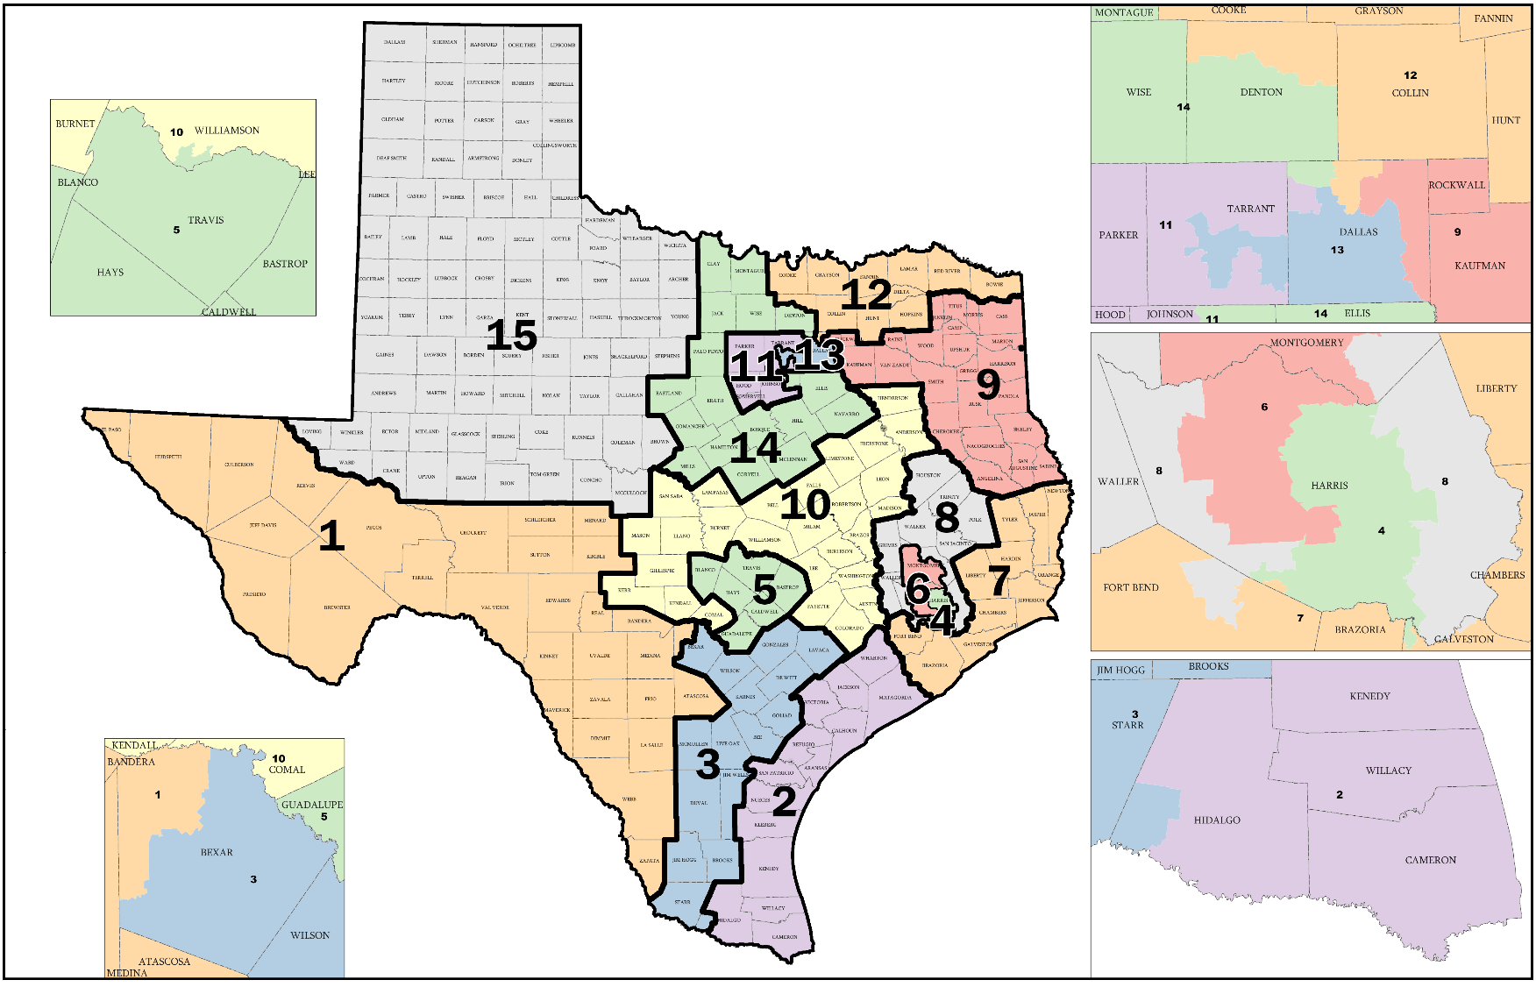

Note. Map adapted from the Senat Bill 7, State Board of Education Districts, PlanE2106, map at the Texas Legislative Council website:
https://redistricting.capitol.texas.gov/

Texas State Board of Education, November 2022 (State Board for Career and Technology Education) William B. Travis Building, 1701 North Congress Avenue, Austin, Texas 78701-1494 Phone: (512) 463-9007 Fax: (512) 936-4319
District 1 | District 6 | District 11
Georgina C. Pérez | Will Hickman | Patricia Hardy
1605 George Dieter, #582 | 14027 Memorial Drive, #187 | 1109 Roaring Springs Road
El Paso, TX 79936 | Houston, TX 77079 | Fort Worth, TX 76114
Phone: (915) 261-8663 | Phone: (832) 304-0051 | Phone: (817) 732-1786
Term: 1/1/21-1/1/23 | Term: 1/1/21-1/1/23 | Term: 1/1/19-1/1/23

District 2 | District 7 | District 12
Ruben Cortez, Jr. | Matt Robinson | Pam Little
1875 Los Angeles Ct. | 313 FM 517 West | 632 Merlot
Brownsville, TX 78521 | Dickinson, TX 77539 | Fairview, TX 75069
Phone: (956) 639-9171 | Phone: (281) 635-1962 | Phone: (972) 342-6697
Term: 1/1/19-1/1/23 | Term: 1/1/19-1/1/23 | Term: 1/1/19-1/1/23

District 3 | District 8 | District 13
Marisa B. Perez-Diaz | Audrey Young | Aicha Davis
P.O. Box 1025 | 421 N. Fredonia St. | P.O. Box 4525
Converse, TX 78109 | Nacogdoches, TX 75961 | Dallas, TX 75208
Phone: (512) 422-9019 | Phone: (936) 662-4264 | Phone: (469) 340-3643
Term: 1/1/19-1/1/23 | Term: 1/1/21-1/1/23 | Term: 1/1/19-1/1/23

District 4 | District 9 | District 14
Lawrence A. Allen, Jr. | Keven Ellis | Sue Melton-Malone
206 Carsen Hollow | P.O. Box 151453 | 125 E. Dawn
Richmond, Texas 77406 | Lufkin, TX 75915 | Robinson, TX 76706
Phone: (713) 203-1355 | Phone: (512) 710-7915 | Phone: (254) 749-0415
Term: 1/1/19-1/1/23 | Term: 1/1/21-1/1/23 | Term: 1/1/21-1/1/23

District 5 | District 10 | District 15
Rebecca Bell-Metereau | Tom Maynard | Jay Johnson
P.O. Box 425 | P.O. Box 625 | P.O. Box 1692
San Marcos, TX 78666 | Florence, TX 76527 | Pampa, TX 79065
Phone: (512) 665-2157 | Phone: (512) 763-2801 | Phone: (806) 680-3245
Term: 1/1/21-1/1/23 | Fax: (512) 532-9517 | Term: 1/1/21-1/1/23
 | Term: 1/1/21-1/1/23

Committees of the State Board of Education
Instruction | School Finance/ | School Initiatives
Sue Melton-Malone, Chair | Permanent School Fund | Matt Robinson, Chair
Audrey Young, Vice Chair | Tom Maynard, Chair | Aicha Davis, Vice Chair
Rebecca Bell-Metereau | Lawrence A. Allen, Jr., Vice Chair | Ruben Cortez, Jr.
Pam Little | Keven Ellis | Will Hickman
Georgina C. Pérez | Patricia Hardy | Jay Johnson
 | Marisa B. Perez-Diaz

