TEA Org Chart
Texas Education Agency, Organization Chart, November 2025
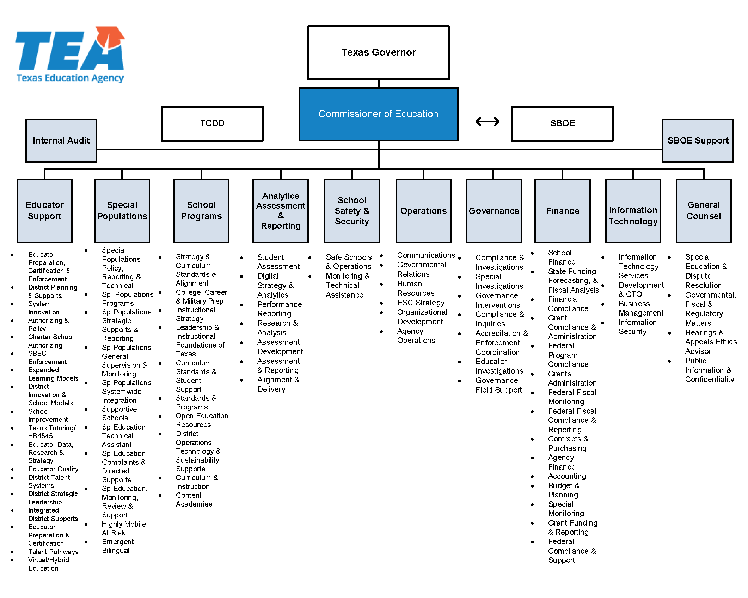

ESC Regions
Texas Regional Education Service Centers, Map, November 2025
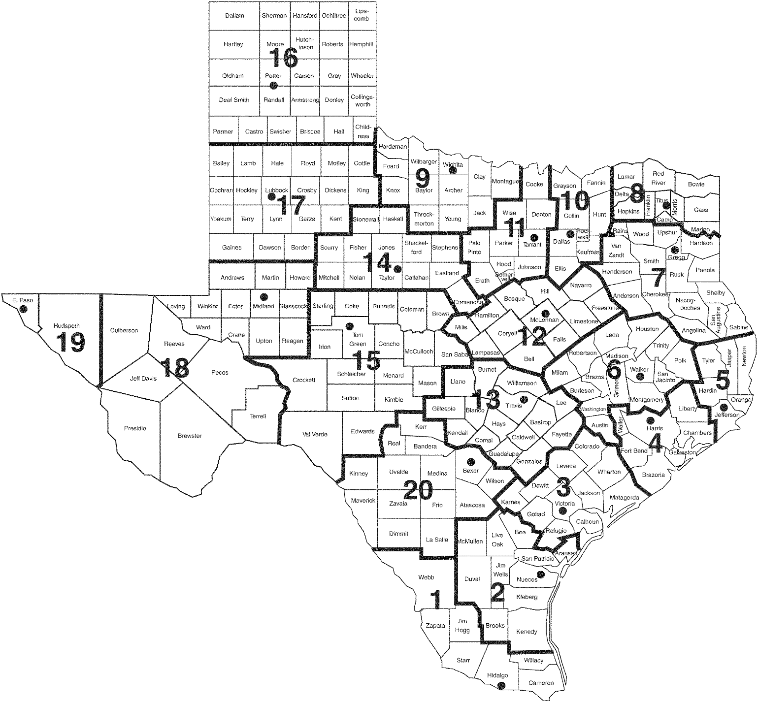

Texas Regional Education Service Centers, Executive Directors, November 2025
Region 1 – Edinburg | Region 8 – Mount Pleasant | Region 15 – San Angelo
Dr. Daniel King | Dr. David W. Fitts | Dr. Casey Callahan
1900 West Schunior | 4845 U.S. Highway 271 N. | P.O. Box 5199
Edinburg, TX 78541-2234 | Pittsburg, TX 75686-4303 | San Angelo, TX 76902-5199
(956) 984-6001 | (903) 572-8551 | Location: 612 South Irene Street, 76903
Fax: (956) 984-7655 | Fax: (903) 575-2611 | (325) 658-6571
Region 1 Website | Region 8 Website | Fax: (325) 655-4823
 |  | Region 15 Website

Region 2 – Corpus Christi | Region 9 – Wichita Falls | Region 16 – Amarillo
Dr. Esperanza Zendejas | Mr. Wes Pierce | Dr. Tanya Larkin
209 North Water Street | 301 Loop 11 | 5800 Bell Street
Corpus Christi, TX 78401-2599 | Wichita Falls, TX 76306-3706 | Amarillo, TX 79109-6230
(361) 561-8400 | (940) 322-6928 | (806) 677-5000
Fax: (361) 883-3442 | Fax: (940) 767-3836 | Fax: (806) 677-5001
Region 2 Website | Region 9 Website | Region 16 Website

Region 3 – Victoria | Region 10 – Richardson | Region 17 – Lubbock
Dr. Morris Lyon | Dr. Jana Melsheimer | Dr. Kyle Wargo
1905 Leary Lane | 400 E. Spring Valley Road | 1111 West Loop 289
Victoria, TX 77901-2899 | Richardson, TX 75081-5101 | Lubbock, TX 79416-5029
(361) 573-0731 | (972) 348-1700 | (806) 792-4000
Fax: (361) 576-4804 | Fax: (972) 231-3642 | Fax: (806) 792-1523
Region 3 Website | Region 10 Website | Region 17 Website

Region 4 – Houston | Region 11 – Fort Worth | Region 18 – Midland
Dr. Rodney Watson | Dr. Clyde Steelman, Jr. | Dr. Dewitt Smith
7145 West Tidwell | 1451 S. Cherry Lane | P.O. Box 60580
Houston, TX 77092-2096 | White Settlement, TX 76108 | Midland, TX 79711-0580
(713) 462-7708 | (817) 740-3600 | Location: 2811 LaForce Blvd., 79706
Fax: (713) 744-6514 | Fax: (817) 740-7600 | (432) 563-2380
Region 4 Website | Region 11 Website | Fax: (432) 567-3290
 |  | Region 18 Website

Region 5 – Beaumont | Region 12 – Waco | Region 19 – El Paso
Dr. Byron Terrier | Mr. Kenny Berry | Dr. Armando Aguirre
350 Pine Street, Suite 500 | P.O. Box 23409 | P.O. Box 971127
Beaumont, TX 77701 | Waco, TX 76702-3409 | El Paso, TX 79997-1127
(409) 951-1700 | Location: 2101 W. Loop 340, 76712 | Location: 6611 Boeing Drive, 79925
Fax: (409) 951-1800 | (254) 297-1212 | (915) 780-1919
Region 5 Website | Fax: (254) 666-0823 | Fax: (915) 780-6537
 | Region 12 Website | Region 19 Website

Region 6 – Huntsville | Region 13 – Austin | Region 20 – San Antonio
Mr. Michael Holland | Dr. Rich Elsasser | Dr. Jeff Goldhorn
3332 Montgomery Road | 5701 Springdale Road | 1314 Hines Avenue
Huntsville, TX 77340-6499 | Austin, TX 78723-3675 | San Antonio, TX 78208-1899
(936) 435-8400 | (512) 919-5313 | (210) 370-5200
Fax: (936) 435-8484 | Fax: (512) 919-5374 | Fax: (210) 370-5750
Region 6 Website | Region 13 Website | Region 20 Website

Region 7 – Kilgore | Region 14 – Abilene
Mr. Todd Schneider | Mr. Chris Wigington
1909 N Longview Street | 1850 Highway 351
Kilgore, TX 75662-6827 | Abilene, TX 79601-4750
(903) 988-6700 | (325) 675-8600
Fax: (903) 988-6708 | Fax: (325) 675-8659
Region 7 Website | Region 14 Website

State Board Members
Texas State Board of Education Districts, Map, November 2025
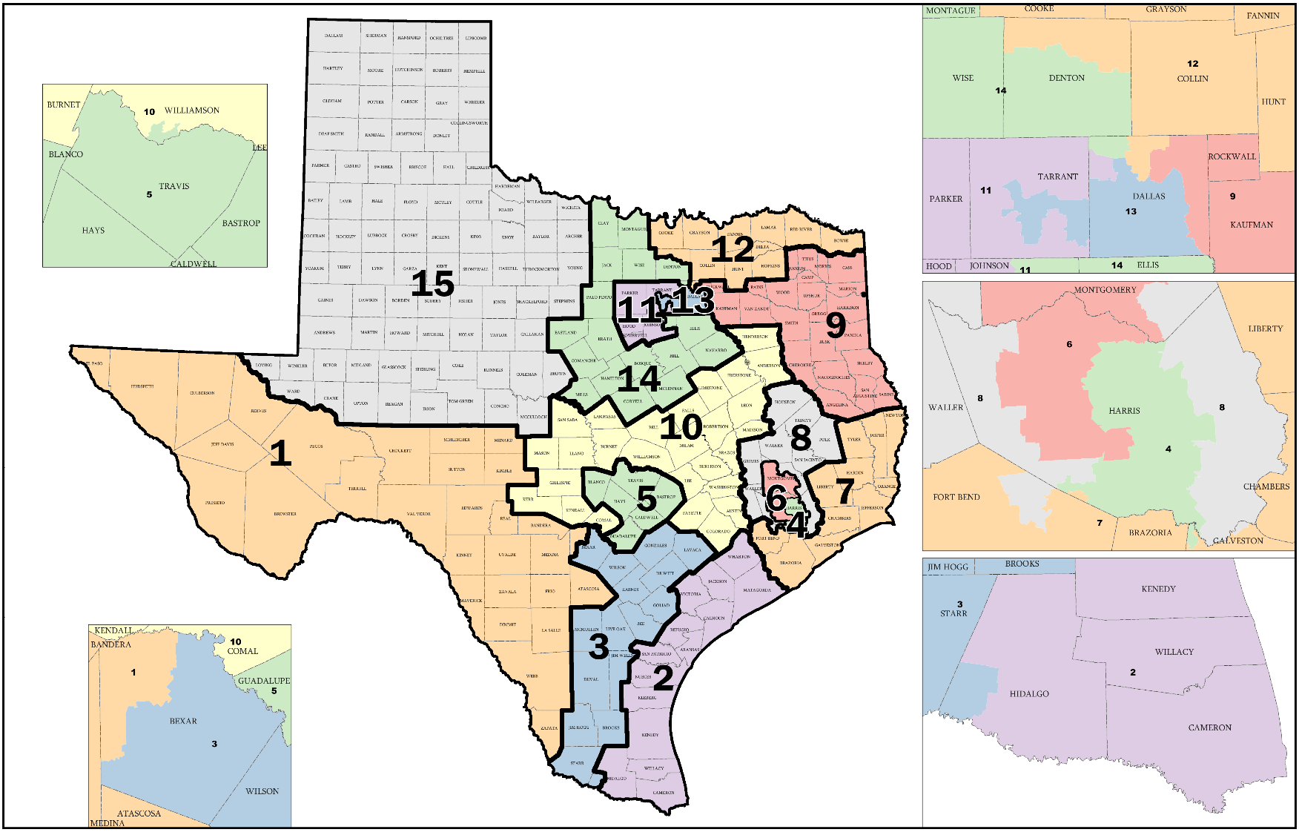

Note. The 87th Texas Legislature passed Senate Bill 7, State Board of Education Districts, Plan E2106, effective Jan. 2023. Map adapted from the
Texas Legislative Council website.

Texas State Board of Education, November 2025 (State Board for Career and Technology Education) William B. Travis Building, 1701 North Congress Avenue, Austin, Texas 78701-1494 Phone: (512) 463-9007 Fax: (512) 936-4319
District 1 | District 6 | District 11
Gustavo Reveles | Will Hickman, Secretary | Brandon Hall
2386 Enchanted Crown Ln. | 1701 N. Congress Ave. | P.O. Box 2989
El Paso, TX 79911 | Austin, TX 78701 | Weatherford, TX 76086
Term: 1/1/25-1/1/29 | Phone: (512) 463-9007 | Phone: (817) 818-9652
 | Term: 1/1/23-1/1/27 | Term: 1/1/25-1/1/29

District 2 | District 7 | District 12
LJ Francis | Julie Pickren | Pam Little, Vice Chair
4833 Saratoga Boulevard # 114 | 3422 Business Center Dr., Suite 106-7 | 632 Merlot
Corpus Christi, TX 78413 | Pearland, TX 77584 | Fairview, TX 75069
Phone: (361) 502-1442 | Phone: (361) 585-4389 | Phone: (972) 342-6697
Term: 1/1/23-1/1/27 | Term: 1/1/23-1/1/27 | Term: 1/1/25-1/1/29

District 3 | District 8 | District 13
Marisa B. Perez-Diaz | Audrey Young | Tiffany Clark
P.O. Box 701342 | P.O. Box 2683 | DeSoto, TX
San Antonio, TX 78270 | Trinity, TX 75862 | Term: 1/1/25-1/1/29
Phone: (210) 294-6140 | Phone: (936) 662-4264
Term: 1/1/25-1/1/29 | Term: 1/1/23-1/1/27

District 4 | District 9 | District 14
Staci Childs | Keven Ellis | Evelyn Brooks
Houston, TX | P.O. Box 151453 | 3245 Main St., Suite 235-141
Phone: (281) 713-3371 | Lufkin, TX 75915 | Frisco, TX 75034
Term: 1/1/25-1/1/29 | Phone: (512) 710-7915 | Phone: (972) 322-9780
 | Term: 1/1/23-1/1/27 | Term: 1/1/23-1/1/27

District 5 | District 10 | District 15
Rebecca Bell-Metereau | Tom Maynard | Aaron Kinsey, Chair
P.O. Box 425 | P.O. Box 625 | P.O. Box 605
San Marcos, TX 78666 | Florence, TX 76527 | Midland, TX 79702
Phone: (512) 665-2157 | Phone: (512) 763-2801 | Phone: (325) 238-6050
Term: 1/1/23-1/1/27 | Fax: (512) 532-9517 | Term: 1/1/25-1/1/29
 | Term: 1/1/25-1/1/29

Committees of the State Board of Education
Instruction | School Finance/ | School Initiatives
Audrey Young, Chair | Permanent School Fund | LJ Francis, Chair
Evelyn Brooks, Vice Chair | Tom Maynard, Chair | Julie Pickren, Vice Chair
Rebecca Bell-Metereau | Marisa B. Perez-Diaz, Vice Chair | Staci Childs
Pam Little | Keven Ellis | Tiffany Clark
Gustavo Reveles | Will Hickman | Brandon Hall
 | Aaron Kinsey

